Project Abstract
* | Mandatory items |  | DEADLINE : 01/02/2026 | Stellar Project Abstract

 |  |  |  | Please fill in orange cells
* | 1 | FALSE | Project Title | BTCwine - Alternative Asset RWA Vault
* | 2 | FALSE | Description 1000 characters max | Launching a Real-World Asset (RWA) vault backed by premium wine production, initially structured around 1 hectare of a rare Saint-Émilion Grand Cru estate, spanning five consecutive harvests of Château Coutet top best Cuvée "Les Demoiselles". This Cuvée is now ranked amoung the 6 top best of Saint Emilion Grand Cru. After this intial POC, we plan extra 2 Ha over same parcells at Coutet, over the next 1 to 2 years. Simultaneously, we plan to extand our development with more jewels of wine production in Spain, Germany, Switzerland. The vault introduces a capital-efficient RWA model where stablecoin deposits gain long-term exposure to a scarce, appreciating real-world asset while remaining actively deployed on-chain. Instead of locking capital in illiquid structures, the vault leverages decentralized finance primitives to keep liquidity productive throughout the lifecycle of the underlying asset. By combining tokenized RWA exposure with programmable on-chain capital deployment, the project unlocks a new class of RWA-backed liquidity designed to integrate with existing DeFi markets, lending pools, and structured products. This bridges illiquid real-world assets with on-chain financial infrastructure, enabling composability, transparency, and scalable access to alternative assets. Stellar is used as the settlement and issuance layer, enabling efficient stablecoin flows, low-cost tokenization, and transparent vault accounting. Next is communication. | We are launching a capital-efficient RWA vault backed by premium wine production. The journey begins with a 1-hectare POC featuring five harvests of Château Coutet’s "Les Demoiselles"—a top-6 Saint-Émilion Grand Cru. Within 24 months, we will scale by 2 hectares at Coutet before expanding into elite estates across Spain, Germany, and Switzerland. The Model: Liquid Exposure to Scarcity Unlike traditional illiquid structures, this vault keeps capital productive: Active Liquidity: Stablecoin deposits gain exposure to appreciating wine assets while remaining deployed on-chain. DeFi Integration: Designed for composability with lending pools and structured products. Scalable Infrastructure: Built on Stellar for low-cost tokenization, transparent accounting, and seamless settlement. By bridging world-class viticulture with programmable finance, we are unlocking a scalable, transparent, and composable asset class.
* | 3 | FALSE | Project Category | Application
* | 4 | FALSE | Please describe the current traction of your project, and link evidence accordingly. This can be in terms of # users, TVL, transactions, countries live, # events, etc. | The project is pre-launch but asset-backed, with tangible traction anchored in real-world TVL, exclusive asset access, and sector expertise rather than live on-chain usage metrics (yet). Committed TVL at launch (Pilot vault): The first vault is structured around 1 hectare of a Saint-Émilion Grand Cru estate (Château Coutet : Cuvée “Les Demoiselles”), representing approximately $1.5M in underlying asset value, corresponding to ~1,660 vault shares to be issued at launch. This capital represents the initial RWA TVL to be onboarded onto Stellar through the deployment of the first wine-backed vault. Scalable RWA pipeline: The pilot vault at Château Coutet is designed as the first deployment of a repeatable RWA vault framework. Two additional vaults are planned on adjacent hectares of the same estate, enabling a total of ~$3.0M in tokenized RWA value during the first year (2026). Beyond the pilot, the project targets the launch of 3 to 5 new vaults per year, progressively onboarding new premium vineyards. This first signed deal represents a projected $12–15M in cumulative tokenized RWA TVL over the first three years. In the longer term, BTCwine has identified a target pipeline of approximately 50 premium vineyards across France, Portugal, Spain, Italy, Germany, and Switzerland, leveraging multiple established sourcing networks (total tokenisable pipeline represents a horizon of up to $500 million in assets). Exclusive access to premium alternative assets: The project unlocks exposure to high-quality wine production, historically one of the best-performing alternative asset classes, yet traditionally inaccessible without deep industry relationships. Asset sourcing and access are enabled through Philippe Papillon, who brings over 25 years of experience as a wine négociant, with long-standing relationships at production level, including estates not accessible through open markets. Existing demand & distribution channels: - Approximately 2,000 existing BTC-WINE clients ac | RWA Traction: A $500M Scalable Pipeline This project transitions from pre-launch to active deployment with assets secured by deep sector expertise. Pilot & Initial TVL The launch features a vault backed by $1.5M in assets (1 hectare at Château Coutet), issuing 1,660 shares. This framework scales to $3M TVL by 2026 via adjacent hectares. Growth & Pipeline Mid-Term: 3–5 new vaults annually, targeting $12–15M TVL within 3 years. Global Horizon: A pipeline of 50 premium vineyards across Europe (France, Italy, Germany, etc.), representing a $500M tokenization potential. Strategic Edge Exclusive Access: Sourcing via Philippe Papillon (25+ years exp.), accessing estates unavailable on the open market. Established Demand: 2,000+ existing BTC-WINE clients (since 2018) provide immediate distribution and liquidity readiness.
* | 5 | FALSE | Enter the URL of the main website associated with the project | https://btc-wine.com/
* | 6 | FALSE | Integration Description Briefly describe your current or planned Stellar integration. How will you integrate with the Stellar tech stack? | Planned integration: Stellar is the issuance, settlement, and accounting layer for our DRWA wine vault. We will issue the vault participation token on Stellar (representing proportional rights to the underlying future wine production and its upside). Users deposit Stellar-native stablecoins; all inflows/outflows (deposits, strategy returns, end-of-vault settlements) are settled on Stellar. Stellar provides transparent on-chain accounting of balances, token supply, and user entitlements during the lock period. At maturity, holders can redeem for the underlying wine via our website or exit financially based on the realized value of the underlying asset and on-chain capital deployment outcomes. This is the planned deployment; funds will be used to implement and launch the first vault on Stellar. | Planned integration: Stellar is the issuance, settlement, and accounting layer for our DRWA wine vault. We will issue the vault participation token on Stellar (representing proportional rights to the underlying future wine production and its upside). Users deposit Stellar-native stablecoins; all inflows/outflows (deposits, strategy returns, end-of-vault settlements) are settled on Stellar. Stellar provides transparent on-chain accounting of balances, token supply, and user entitlements during the lock period. At maturity, holders can redeem for the underlying wine via our website or exit financially based on the realized value of the underlying asset and on-chain capital deployment outcomes. This is the planned deployment; funds will be used to implement and launch the first vault on Stellar.
* | 7 | FALSE | Open Source They will favor projects of which at least one part is open source | Integration Track: for applications integrating with existing ecosystem building blocks
* | 8 | FALSE | Thumbnail (fichier bannière) Check guide | 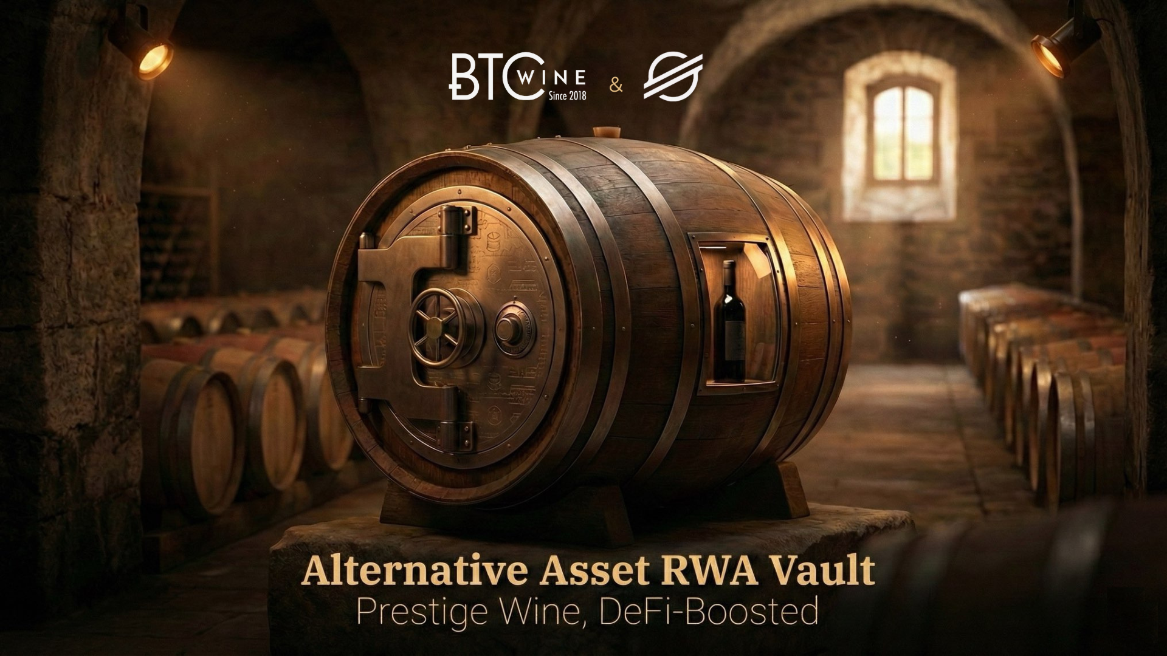
* | 9 | FALSE | Submitter type - you apply as a : | Entity
* | 10 | FALSE | Add a short description of your each person of the team. How many team members? What expertise do you have? Have you built any other projects? Link anything relevant, such as LinkedIn, GitHub, or the company’s website. | - Philippe Papillon : 25-year wine negociant /strategy / web3 : founder of BTC-WINE 2018 / BCB log partner (https://www.linkedin.com/in/papillonph) - Meven : ecosystem/strategy/finance (https://www.linkedin.com/in/thomas-menard) - Pascale Castagnon : manager of logistics & sales administration / 20-year underbond logistics expert - Martin Delbes : website manager & developer (https://linkedin.com/in/martin-delbes) - Pierre Deruelle : GSI founder / web security & development (https://www.linkedin.com/in/pierre-deruelle-965a244b/) - Stephane Schmitt : GSI CEO / crypto / general strategy (https://www.linkedin.com/in/st%C3%A9phane-schmitt-b2330a45/) & (https://www.linkedin.com/company/gsi-network/) - Herve Cauilliez : purchasing manager - Nathalie Castagnon : business lawyer (https://www.linkedin.com/in/castagnon-nathalie-bab14033/)
* | 11 | FALSE | Number of team members | 8
 | 12 | FALSE | Team Discord Usernames Enter your team member's Discord usernames, separated by comma. | @mevenrekt (Others joining soon)

